Bug Report
Bug ID | Bug Title | Related Test Case | Module | Description | Pre-conditions | Steps to Reproduce | Test Data | Expected Result | Actual Result | Layer | Severity (1–4) | Priority (1–4) | Status | Environment | Evidence
BUG_SIGNUP_001 | User can sign up with a password less than 8 characters | TC_SIGNUP_009 | Sign Up | The system allows a new user to register successfully using a password containing fewer than 8 characters. | User is on the DemoBlaze Home page and the username is not already registered. | 1. Open DemoBlaze website. 2. Click Sign up. 3. Enter a unique username. 4. Enter a password containing fewer than 8 characters. 5. Click Sign up. | Username: muhammed raafat Password: 123 | The system should reject the registration and display a validation message indicating that the password must meet the required minimum length. | The account is created successfully and the Sign up successful message is displayed despite using a password containing only 3 characters. | Backend | 2 | 1 | Open | Web – Google Chrome – Windows 11 | 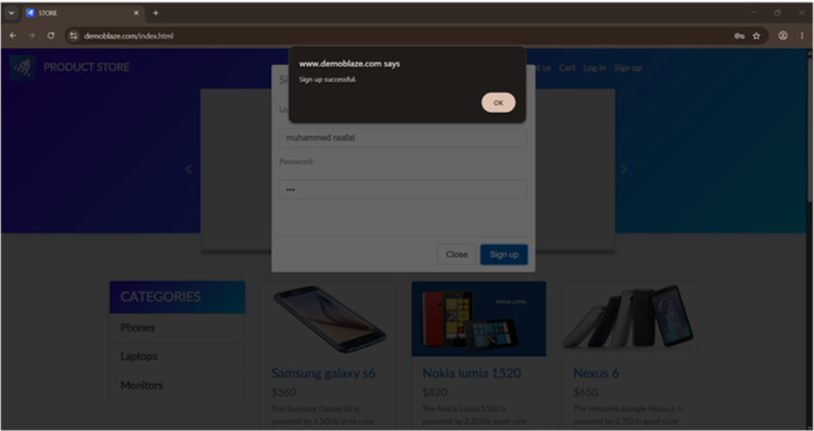
BUG_SIGNUP_002 | Sign Up accepts usernames containing whitespace characters | TC_SIGNUP_010 | Sign Up | The Sign Up functionality allows users to create an account using a username that contains whitespace characters. The system does not validate the username format before creating the account. | User opens the DemoBlaze website and opens the Sign Up dialog. | 1. Open the DemoBlaze website. 2. Click Sign Up. 3. Enter a username containing whitespace characters (e.g., muhamed raafat ali). 4. Enter a valid password. 5. Click Sign Up. | Username: muhamed raafat ali Password: 12345678 | The system should reject usernames containing whitespace characters, display a validation message, and prevent account creation. | The system accepts the username containing whitespace characters and displays the message "Sign up successful." | Backend | 3 | 2 | Open | Web – Google Chrome – Windows 11 | 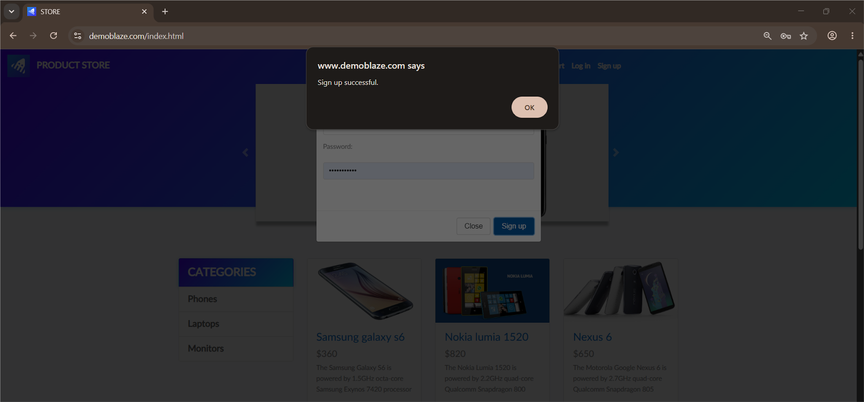
BUG_LOGIN_001 | Login fails when username contains leading or trailing spaces | TC_LOGIN_008 | Login | The system does not trim leading or trailing spaces from the username during login. As a result, a valid registered user cannot log in and receives the "User does not exist." error message. | User has an existing registered account and is on the DemoBlaze Home page. | 1. Open DemoBlaze website. 2. Click Log in. 3. Enter a valid username with a leading or trailing space (e.g., testuser3007strong). 4. Enter the correct password. 5. Click Log in. | Username: testuser3007strong Password: Test@12345 | The system should trim the leading/trailing spaces from the username and log the user in successfully. | Login is rejected and the "User does not exist." error message is displayed. | Backend | 3 | 2 | Open | Web – Google Chrome – Windows 11 | 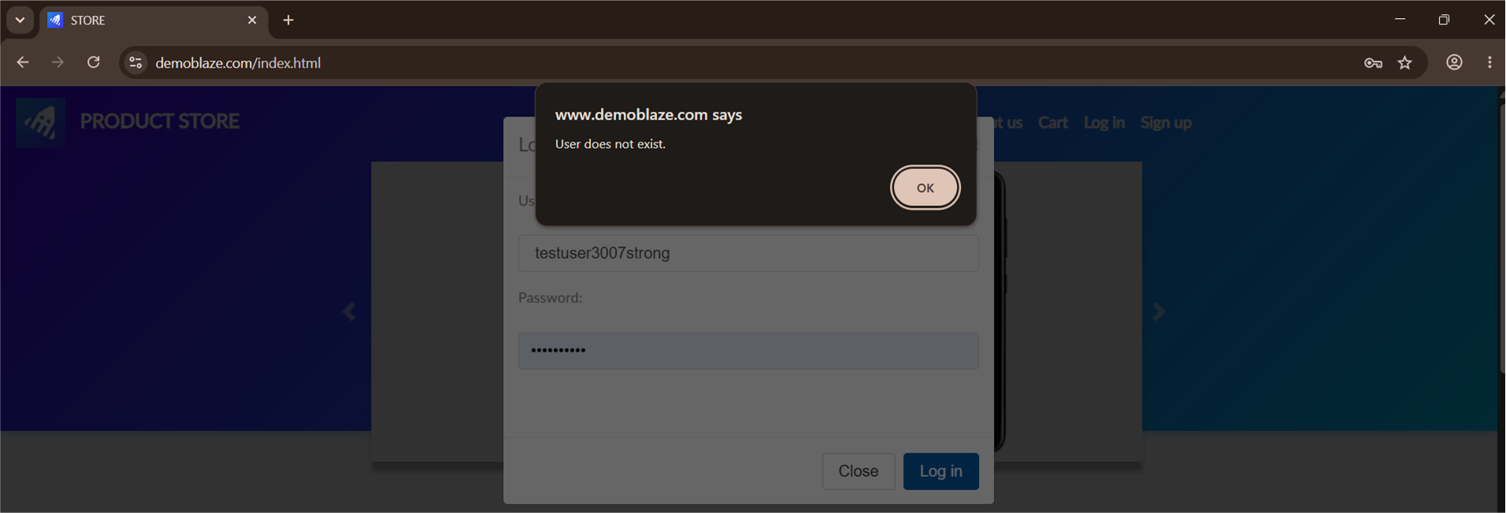
BUG_CONTACT_001 | Contact message is sent successfully when the Message field is empty | TC_CONTACT_003 | Contact | The system allows the user to send a contact message without entering any text in the Message field. | User is on the DemoBlaze Home page and the Contact dialog is opened. | 1. Open DemoBlaze website. 2. Click Contact. 3. Enter a valid email address. 4. Enter a valid contact name. 5. Leave the Message field empty. 6. Click Send message. | Contact Email: testuser@gmail.com Contact Name: muhammed raafat Message: Empty | The system should prevent sending the message and display a validation message indicating that the Message field is required. | The message was sent successfully and the "Thanks for the message!!" confirmation message was displayed even though the Message field was empty. | Backend | 3 | 2 | Open | Web – Google Chrome – Windows 11 | 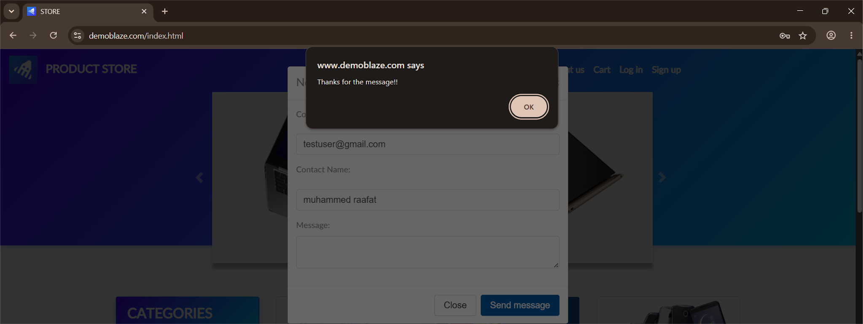
BUG_CONTACT_002 | Contact message is sent successfully when the Contact Name contains only numeric characters | TC_CONTACT_004 | Contact | The system allows the user to send a contact message when the Contact Name field contains only numeric characters. | User is on the DemoBlaze Home page and the Contact dialog is opened. | 1. Open DemoBlaze website. 2. Click Contact. 3. Enter a valid email address. 4. Enter 01000000000 in the Contact Name field. 5. Enter a valid message. 6. Click Send message. | Contact Email: testuser@gmail.com Contact Name: 01000000000 Message: Hello, I would like to know more about your products. | The system should reject the request and display a validation message indicating that the Contact Name must contain alphabetic characters. | The message was sent successfully and the "Thanks for the message!!" confirmation message was displayed even though the Contact Name contained only numeric characters. | Backend | 3 | 2 | Open | Web – Google Chrome – Windows 11 | 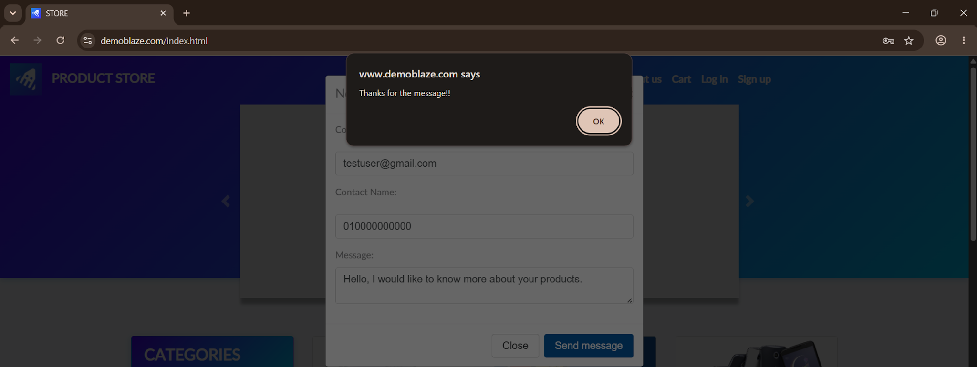
BUG_CONTACT_003 | Contact message is sent successfully when the Contact Name field is left empty | TC_CONTACT_005 | Contact | The system allows the user to send a contact message even when the Contact Name field is empty. | User is on the DemoBlaze Home page and the Contact dialog is opened. | 1. Open DemoBlaze website. 2. Click Contact. 3. Enter a valid email address. 4. Leave the Contact Name field empty. 5. Enter a valid message. 6. Click Send message. | Contact Email: testuser@gmail.com Contact Name: Empty Message: Hello, I would like to know more about your products. | The system should prevent sending the message and display a validation message indicating that the Contact Name field is required. | The message was sent successfully and the "Thanks for the message!!" confirmation message was displayed even though the Contact Name field was empty. | Backend | 3 | 2 | Open | Web – Google Chrome – Windows 11 | 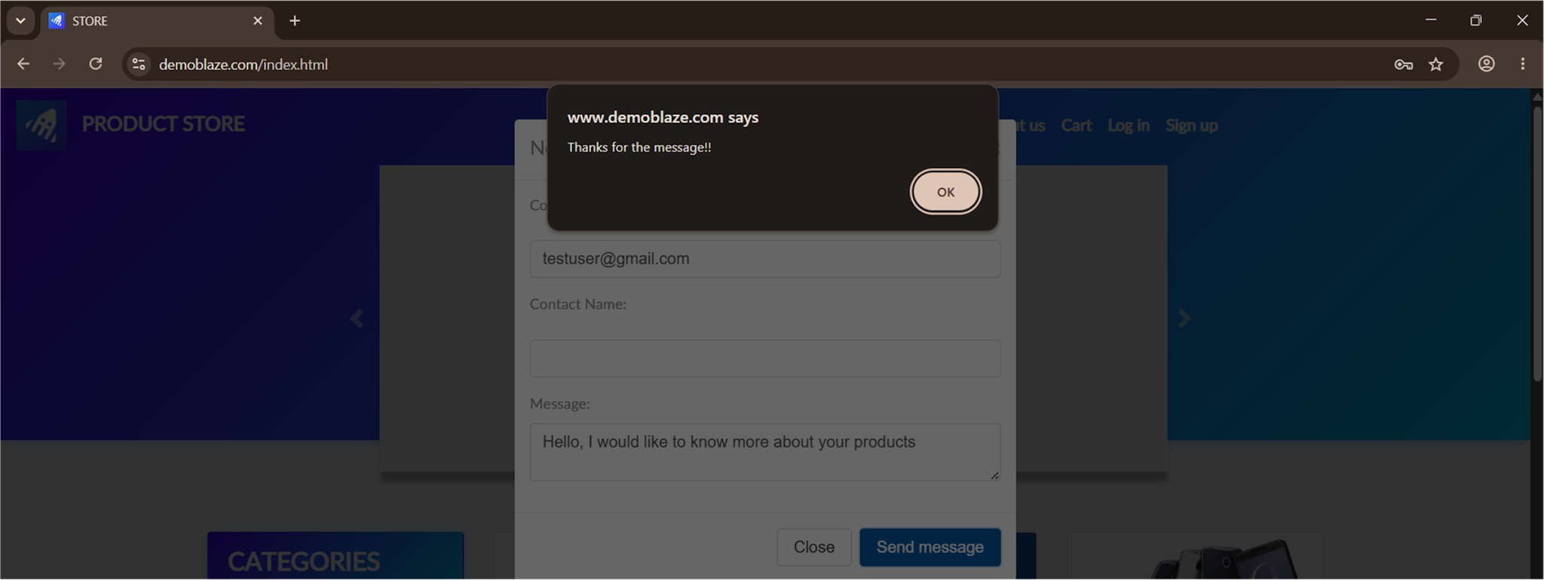
BUG_CONTACT_004 | Contact message is sent successfully when the Contact Email field is left empty | TC_CONTACT_006 | Contact | The system allows the user to send a contact message even when the Contact Email field is empty. | User is on the DemoBlaze Home page and the Contact dialog is opened. | 1. Open DemoBlaze website. 2. Click Contact. 3. Leave the Contact Email field empty. 4. Enter a valid contact name. 5. Enter a valid message. 6. Click Send message. | Contact Email: Empty Contact Name: muhammed raafat Message: Thanks for the message | The system should prevent sending the message and display a validation message indicating that the Contact Email field is required. | The message was sent successfully and the "Thanks for the message!!" confirmation message was displayed even though the Contact Email field was empty. | Backend | 2 | 1 | Open | Web – Google Chrome – Windows 11 | 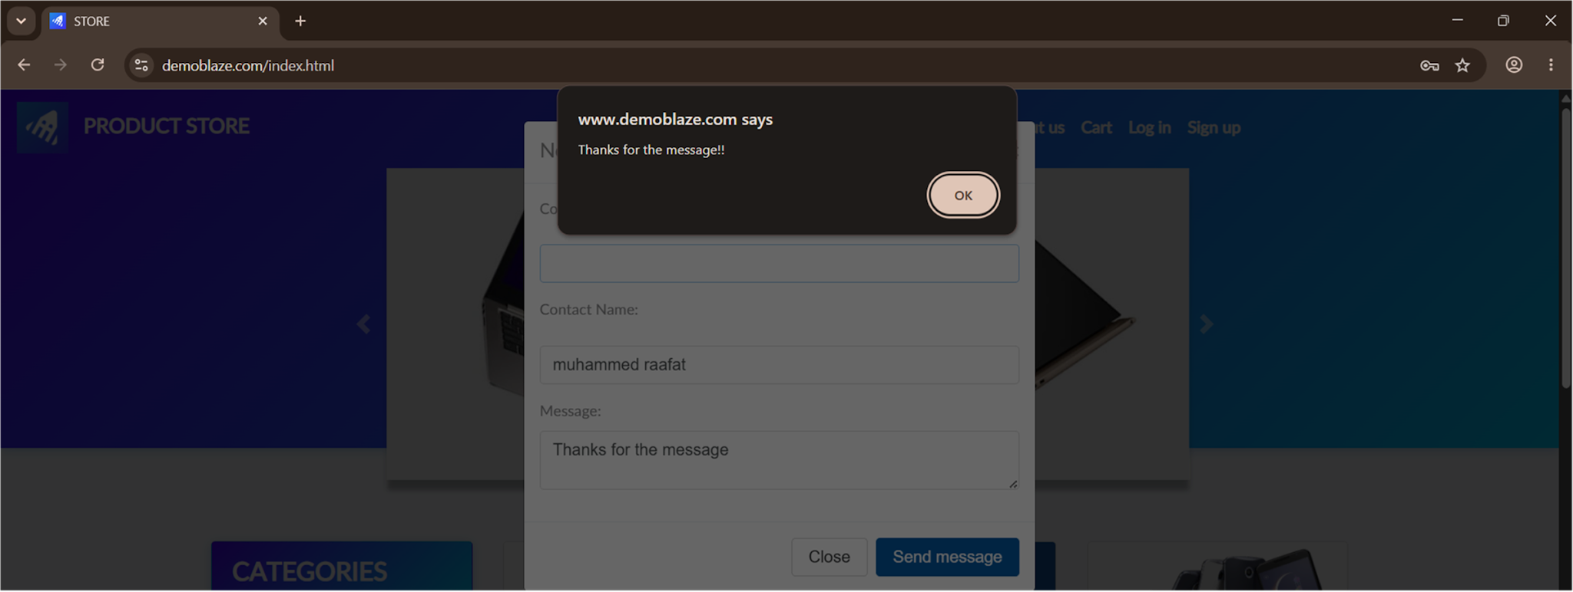
BUG_CONTACT_005 | Contact message is sent successfully when all Contact fields are left empty | TC_CONTACT_007 | Contact | The system allows the user to send a contact message even when the Contact Email, Contact Name, and Message fields are all empty. | User is on the DemoBlaze Home page and the Contact dialog is opened. | 1. Open DemoBlaze website. 2. Click Contact. 3. Leave the Contact Email field empty. 4. Leave the Contact Name field empty. 5. Leave the Message field empty. 6. Click Send message. | Contact Email: Empty Contact Name: Empty Message: Empty | The system should prevent sending the message and display validation messages indicating that all required fields must be completed. | The message was sent successfully and the "Thanks for the message!!" confirmation message was displayed even though all required fields were empty. | Backend | 2 | 1 | Open | Web – Google Chrome – Windows 11 | 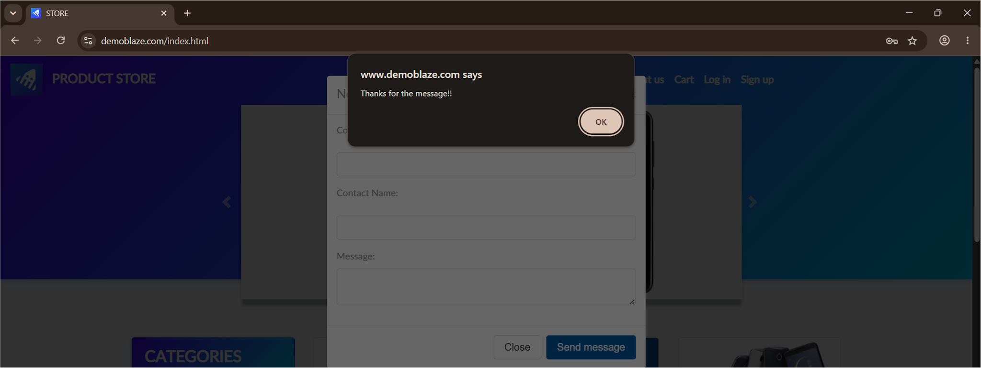
BUG_CONTACT_006 | Contact message is sent successfully when all Contact fields contain only numeric characters | TC_CONTACT_008 | Contact | The system allows the user to send a contact message when the Contact Email, Contact Name, and Message fields contain only numeric characters. | User is on the DemoBlaze Home page and the Contact dialog is opened. | 1. Open DemoBlaze website. 2. Click Contact. 3. Enter 1 in the Contact Email field. 4. Enter 1 in the Contact Name field. 5. Enter 1 in the Message field. 6. Click Send message. | Contact Email: 1 Contact Name: 1 Message: 1 | The system should reject the request and display validation messages indicating that the entered data is invalid. | The message was sent successfully and the "Thanks for the message!!" confirmation message was displayed even though all fields contained only numeric characters. | Backend | 3 | 2 | Open | Web – Google Chrome – Windows 11 | 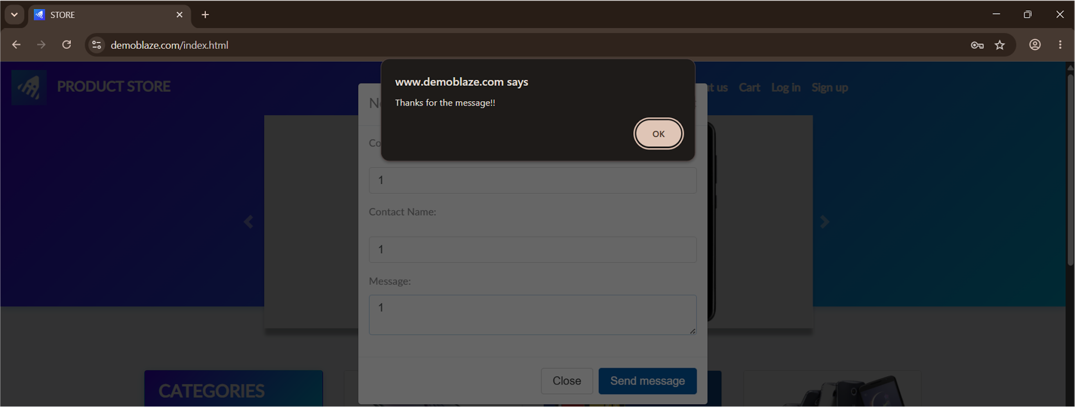
BUG_PRODUCT_001 | Product image gallery navigation indicators are non-functional for all products | TC_PRODUCT_002 | Product Details | The Product Details page displays image gallery navigation indicators (slider dots) beneath the product image, suggesting that multiple product images are available. However, the indicators are non-functional and no additional images are displayed for any product. | User opens the Product Details page of any available product. | 1. Open the DemoBlaze website. 2. Select any product from the Home page. 3. Navigate to the Product Details page. 4. Observe the image gallery indicators below the product image. 5. Click each image gallery indicator. | Each available product in all categories (Phones, Laptops, and Monitors). | Clicking each gallery indicator should display the corresponding product image. The image gallery should allow users to navigate through all available product images. | The gallery indicators are displayed but do not respond to user interaction. The displayed image remains unchanged, and no additional product images are available. | Frontend | 3 | 3 | Open | Web – Google Chrome – Windows 11 | 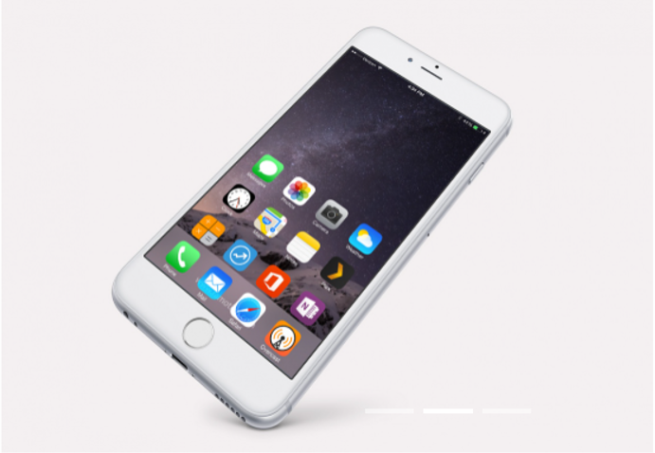
BUG_CART_001 | Guest user can add products to the cart without logging in | TC_CART_007 | Cart | Guest users are able to add products to the shopping cart and view the cart total without logging in. The application does not require authentication before allowing cart operations. | User is not logged in. | 1. Open the Product Store website. 2. Do not log in. 3. Open any product details page. 4. Click Add to cart and accept the alert. 5. Navigate to the Cart page. | Any available product (e.g., MacBook Pro, Samsung Galaxy S7). | The system should prevent guest users from adding products to the cart and prompt them to log in. | The product is successfully added to the cart, and the cart total is calculated even though the user is not logged in. | Backend | 2 | 1 | Open | Web – Google Chrome – Windows 11 | 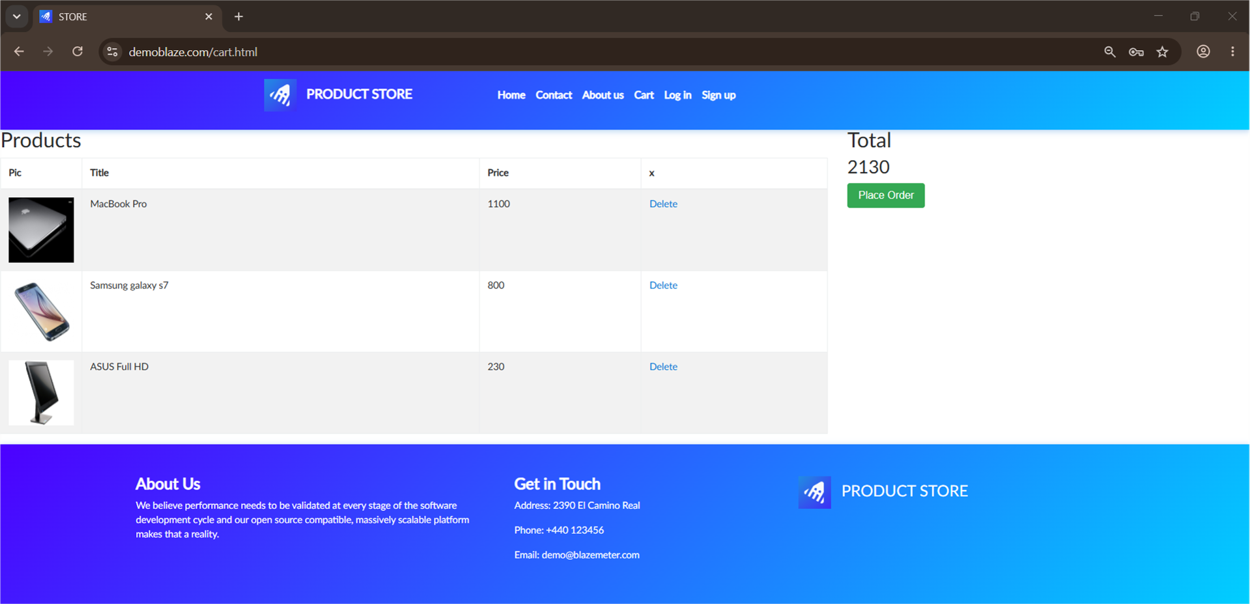
BUG_CART_002 | Delete All button does not remove products from the cart | TC_CART_008 | Cart | The Delete All button does not remove the products from the shopping cart. Clicking the button has no effect, and all products remain displayed in the cart. | User is logged in and the cart contains one or more products. | 1. Open the DemoBlaze website. 2. Log in with a valid account. 3. Add one or more products to the cart. 4. Navigate to the Cart page. 5. Click the Delete All button. | Products: Samsung Galaxy S6, iPhone 6 32GB (or any available products). | The system should remove all products from the cart, display an empty cart, and update the total amount to 0. | Clicking the Delete All button does not remove any products from the cart. The products remain displayed, and the total amount is unchanged. | Frontend | 3 | 2 | Open | Web – Google Chrome – Windows 11 | 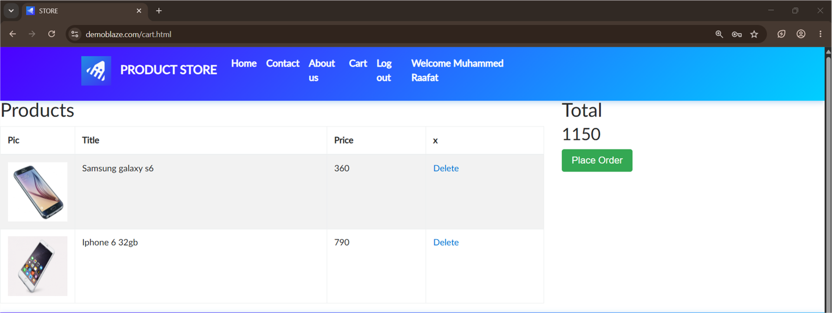
BUG_CART_003 | Shopping cart does not provide quantity controls for products | TC_CART_009 | Cart | The shopping cart does not provide quantity controls (Increase/Decrease) for any products. To increase the quantity of a product, users must return to the Product Details page and add the product again, resulting in duplicate product entries instead of updating the quantity. | User is logged in and has at least one product in the shopping cart. | 1. Open the DemoBlaze website. 2. Log in with a valid account. 3. Open any available product. 4. Click Add to Cart. 5. Open the Cart page. 6. Attempt to increase or decrease the quantity of the product directly from the cart. | Any available product | The shopping cart should allow users to increase or decrease the quantity of any product directly using quantity controls (+/-). The total price should be updated automatically without creating duplicate product entries. | The shopping cart does not provide quantity controls for any products. Users must return to the Product Details page and add the same product again, causing duplicate product rows in the cart. | Frontend | 3 | 2 | Open | Web – Google Chrome – Windows 11 | 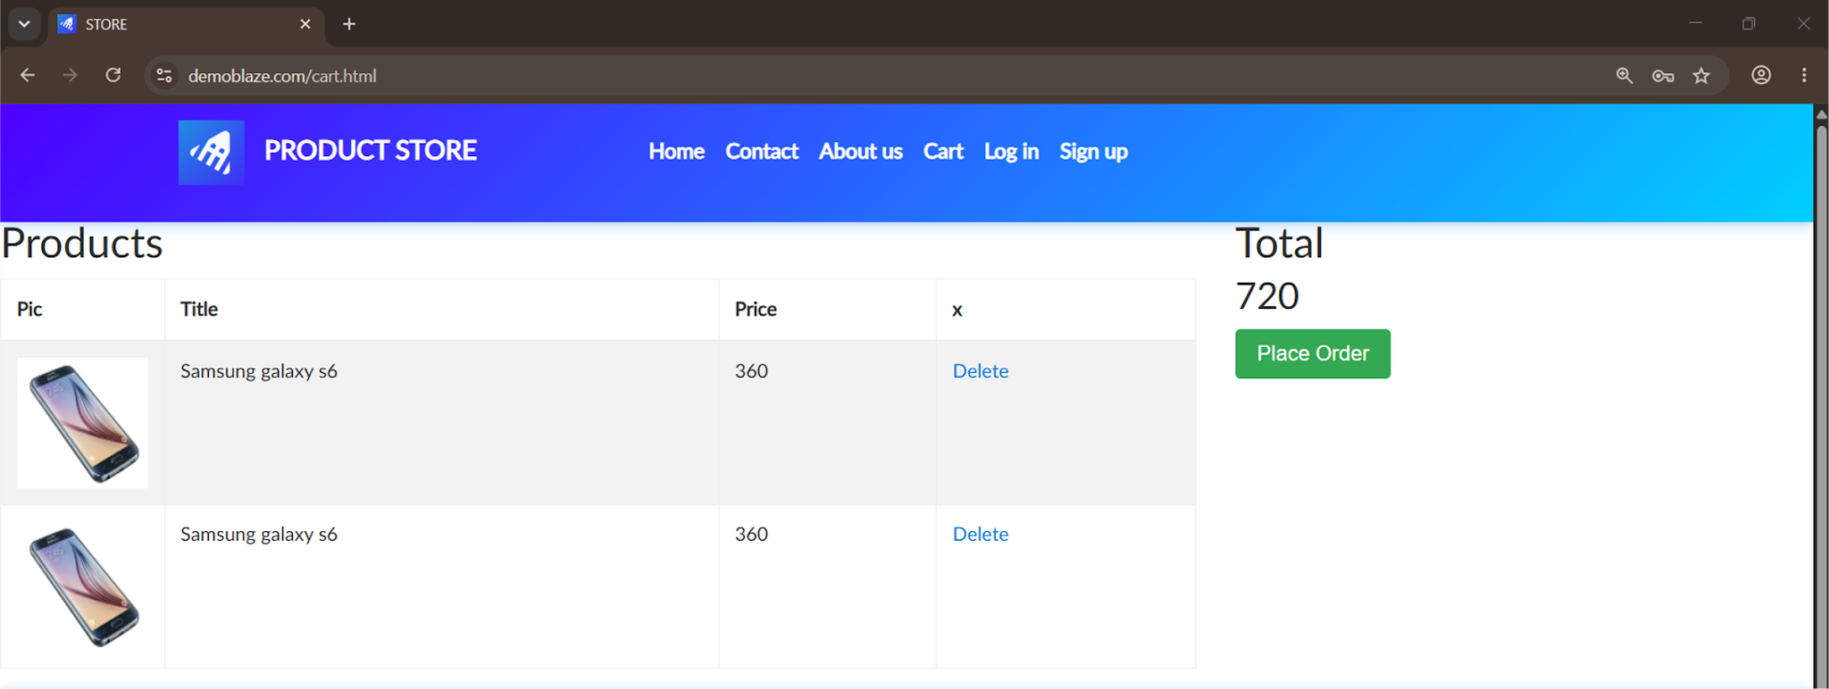
BUG_PLACE_ORDER_001 | Place Order accepts an invalid credit card number with insufficient digits | TC_PLACE_ORDER_003 | Place Order | The Credit Card field accepts an invalid credit card number containing only two digits and allows the purchase to be completed successfully without validating the card number length. | User is logged in and has at least one product in the shopping cart. | 1. Open the DemoBlaze website. 2. Log in with a valid account. 3. Add any product to the cart. 4. Open the Cart page and click Place Order. 5. Enter valid values in all required fields. 6. Enter 12 in the Credit Card field. 7. Click Purchase. | Credit Card = 12 | The system should reject the invalid credit card number and display a validation message indicating that the card number format or length is invalid. The purchase should not be completed. | The purchase is completed successfully, and the confirmation dialog displays the invalid credit card number (12) without any validation. | Backend | 2 | 1 | Open | Web – Google Chrome – Windows 11 | 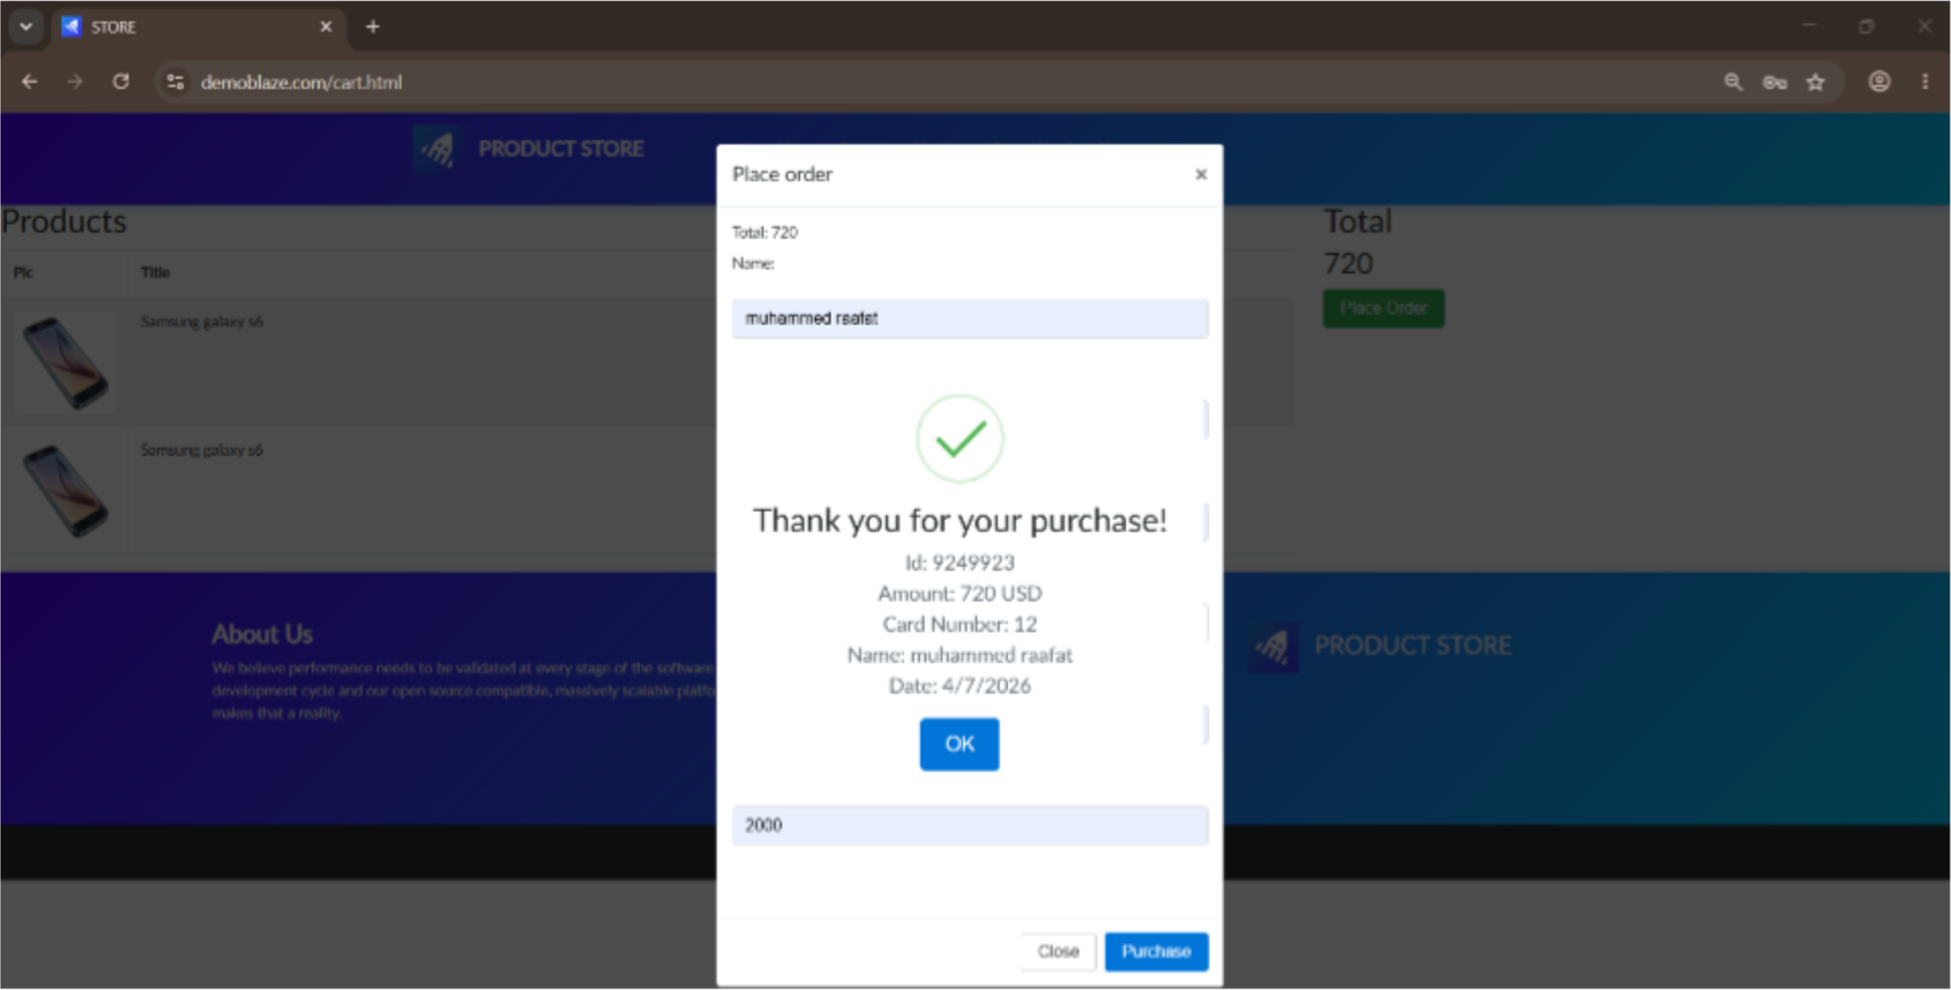
BUG_PLACE_ORDER_002 | Purchase is completed successfully when Country, City, Month, and Year fields are left empty | TC_PLACE_ORDER_004 | Place Order | The application allows users to complete the purchase even when the Country, City, Month, and Year fields are left empty. The order is processed successfully without validating these fields. | User is logged in and the cart contains at least one product. | 1. Log in to the application. 2. Add any product to the cart. 3. Open the Cart page. 4. Click Place Order. 5. Enter only Name and Credit Card. 6. Leave Country, City, Month, and Year empty. 7. Click Purchase. | Name = muhammed, Credit Card = 12345678910114, Country = Empty, City = Empty, Month = Empty, Year = Empty | The system should validate all required fields and prevent the purchase until the missing information is entered. | The purchase is completed successfully, and the confirmation dialog is displayed even though Country, City, Month, and Year are empty. | Backend | 2 | 1 | Open | Web – Google Chrome – Windows 11 | 